First1ZB
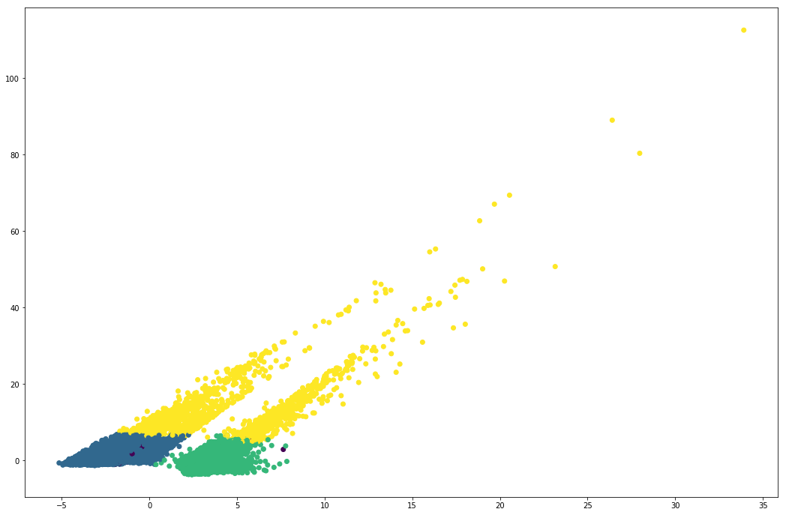
93956 | 50% | mean | 50% | mean | 50% | mean | 50% | mean
PartnerID | 473 | 1% | 53885 | 57% | 37378 | 40% | 2220 | 2%
SEX | 0% | 42% | 0% | 42% | 0% | 41% | 100% | 60%
Age | 33 | 36 | 32 | 35 | 34 | 36 | 38 | 40
DayFromLastVisit | 663 | 652 | 630 | 635 | 564 | 588 | 535 | 575
CreditCondition | 0 | 0 | 0 | 0 | 0 | 0 | 0 | 0
LifeTimeDay | 663 | 652 | 630 | 635 | 564 | 588 | 535 | 576
LombardCategoryID | 203 | 203 |  | 153 |  | 172 |  | 175.5
CityID | 58 | 58 |  | 84 |  | 81 |  | 90.5
SumAmountzb | 3370 | 5191 | 4168 | 6437 | 4130 | 6534 | 58000 | 70009
AVGAmountzb | 3370 | 5191 | 4168 | 6437 | 4130 | 6533 | 58000 | 70009
ZB | 1 | 1 | 1 | 1 | 1 | 1 | 1 | 1
PercentBad | 0% | 49% | 100% | 100% | 0% | 0% | 100% | 55%
PercentGood | 100% | 50% | 0% | 0% | 100% | 98% | 0% | 44%
PercentNewBySMS | 0% | 0% | 0% | 0% | 0% | 0% | 0% | 0%
PercentNew | 100% | 99% | 100% | 100% | 100% | 97% | 100% | 99%
PercentOSN | 0% | 0% | 0% | 0% | 0% | 1% | 0% | 0%
PercentSkupka | 0% | 0% | 0% | 0% | 0% | 2% | 0% | 1%
PercentPerezalog | 0% | 0% | 0% | 0% | 0% | 0% | 0% | 0%
MaxBadPercentPerDay | 0% | 13% | 35% | 34% | 0% | 0% | 15% | 16%
AVGBadPercentPerDay | 0% | 13% | 35% | 34% | 0% | 0% | 15% | 16%
MinGoodPercentPerDay | 20% | 14% | 0% | 0% | 35% | 32% | 0% | 12%
AVGGoodPercentPerDay | 20% | 14% | 0% | 0% | 35% | 32% | 0% | 12%
AVGDneyZaloga | 0 | 11 | 0 | 0 | 19 | 26 | 0 | 12
AVGDneySProshZB | 0 | 0 | 0 | 1 | 0 | 1 | 0 | 1
AVGWeightGross | 2.64 | 4.09 | 3.27 | 5.00 | 3.61 | 5.55 | 46.26 | 55.26
AVGWeightNet | 2.60 | 3.93 | 3.09 | 4.72 | 3.38 | 5.21 | 43.91 | 52.63
AVGWeightNet999 | 1.48 | 2.29 | 1.78 | 2.74 | 1.95 | 3.01 | 25.53 | 30.81
AVGWeightNotBrilliant | 0.00 | 0.17 | 0.00 | 0.28 | 0.00 | 0.34 | 0.00 | 2.63
AVGCostPerGram | 1350 | 1305 | 1350 | 1295 | 1350 | 1286 | 1350 | 1337
AVGCost | 3514 | 5397 | 4227 | 6500 | 4657 | 7179 | 60872 | 73081
MaxCost | 3514 | 5397 | 4227 | 6500 | 4657 | 7180 | 60872 | 73081
QntTreasury | 1 | 1 | 1 | 1 | 1 | 1.0000267537 | 1 | 1
AVGPercentPerDay | 29% | 27% | 35% | 34% | 35% | 32% | 30% | 29%
MINPercentPerDay | 29% | 27% | 35% | 34% | 35% | 32% | 30% | 29%
MAXPercentPerDay | 29% | 27% | 35% | 34% | 35% | 32% | 30% | 29%
QntPromo | 0 | 0.13530655391 | 0 | 0.1315208314 | 0 | 0.21822997485 | 0 | 0.2527027027
PercentPromo | 0% | 13% | 0% | 13% | 0% | 19% | 0% | 25%
OverPayAmount | 0 | 0 | 0 | 0.17061334153 | 0 | 0.048084434776 | 0 | 108.29619668
PercentAmount | 0 | 36.19970407 | 0 | 0 | 0 | 120.65903334 | 0 | 538.96275197
BadPercentPerDay | 0% | 13% | 35% | 34% | 0% | 0% | 15% | 16%
GoodPercentPerDay | 20% | 14% | 0% | 0% | 35% | 32% | 0% | 12%
DayDiff | 0 | 44.188160677 | 0 | 33.339407999 | 0 | 48.667424688 | 0 | 32.371171171
isGoodZB |  | 50% | 0% | 0% | 100% | 98% | 0% | 44%
BudetSledVisit | 0 | 0.16913319239 | 0 | 0.13127957688 | 0 | 0.26341698325 | 0 | 0.23873873874
labels | 0 | 0 | 1 | 1 | 2 | 2 | 3 | 3

